CAN Road
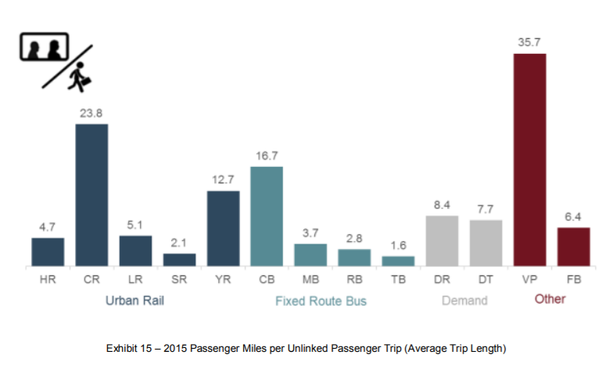
passenger LDVs, 2009
Canadian Vehicle Use Survey
1.68 | passengers per vehicle

freight HDVs
Transport Canada, tables RO6 and RO8
trucks | veh-km/truck | veh-km | ton-km
468000 | 44876 | 2.10E+10 | 277396000000
13.208 | tons / truck

passenger HDVs
Transport Canada, table RO15
2.070E+09 | urban transit bus passengers
7.5710187192 | average distance of passenger trip (see below)
1.176E+09 | urban transit bus veh-km
13.3 | average passenger loading per bus
Not a good method, as we don't have average distance, and average
loading of urban transit buses may not be representative of average
loading of all buses.
We use a U.S. value instead, but we leave these calculations here
for reference.

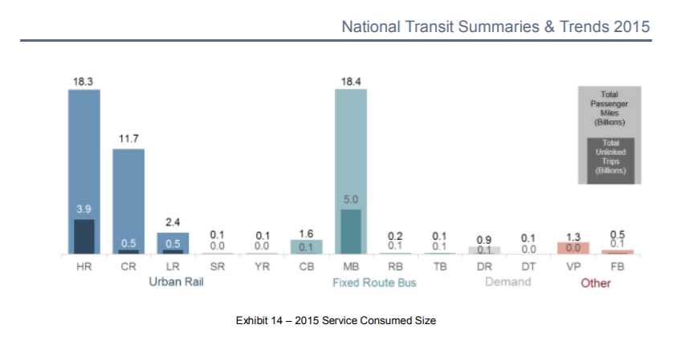
Source: | https://www.transit.dot.gov/sites/fta.dot.gov/files/docs/2015%20NTST.pdf |  |  | Bus Type | Service consumed size | Average Trip Length | Weighted Average distance (miles) | km per mile | Average distance (km)
 |  |  |  | CB | 1.6 | 16.7 | 4.7054187192 | 1.609 | 7.5710187192
 |  |  |  | MB | 18.4 | 3.7
 |  |  |  | RB | 0.2 | 2.8
 |  |  |  | TB | 0.1 | 1.6

